Dashboard
INVESTMENT | STUDI KASUS XX
Dashboard
Assumption

Investment Decision
VERY FEASIBLE
4.2
2.1
2.1
Total Score:
Financial
Safety
Very High
Financial Feasibility
INVESTMENT IS FEASIBLE, IRR > 9.35%
Proyek investasi tersebut Layak secara Aspek Finansial
POLICY
High
PLAN
High
DO
CHECK
ACTION
Very High
Very High
Moderate
Weight : 12%
Weight : 12%
Weight : 8%
Weight : 8%
Weight : 10%
Safety
NPV
Rp15.10
IRR
14.64%
PP
PI
BCR
7
1.38
151.37%
Weight : 12%
Weight : 12%
Weight : 8%
Weight : 8%
Weight : 10%
Tahun
Financial
Criteria Investment

Summary
Investment
Cost of Capital
Initial Investment
Salvage Value
Revenue
OPEX
Inflasi
Tax Rate
9.35%
Rp40.00
Billion
Rp4.00
Rp333.13
Billion
Billion
Billion
Rp220.07
3.50%
Duration Project
Tahun
25%
15

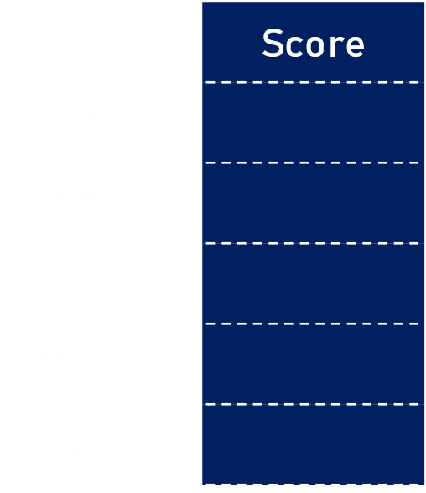
 | Total
NPV | 0.6
IRR | 0.6
PP | 0.24
PI | 0.16
BCR | 0.5
Detail Financial Score
0.6
0.6
0.24
0.16
0.5
Total
2.1
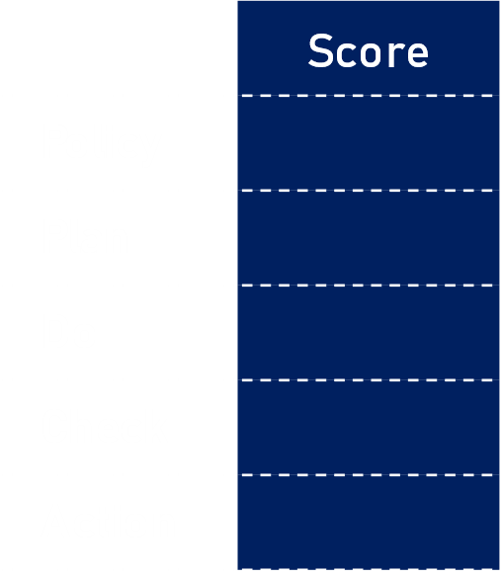
 | Total
Policy | 0.48
Plan | 0.48
Do | 0.5
Check | 0.4
Action | 0.24
Detail Safety Score
0.48
0.48
0.5
0.4
0.24
Total
2.1
Net Cash Flow
 | Net Cash Flow | Accumulated Net Cashflow
2024 | -40 | -40
2025 | 5.5992725083 | -34.400727492
2026 | 5.7873930461 | -28.613334446
2027 | 5.9820978027 | -22.631236643
2028 | 6.1836172258 | -16.447619417
2029 | 6.3921898287 | -10.055429588
2030 | 6.6080624727 | -3.4473671155
2031 | 6.8314906593 | 3.3841235438
2032 | 7.0627388324 | 10.446862376
2033 | 7.3020806915 | 17.748943068
2034 | 7.5497995157 | 25.298742583
2035 | 7.7303706138 | 33.029113197
2036 | 7.9153927894 | 40.944505987
2037 | 8.1049757617 | 49.049481748
2038 | 8.2992319542 | 57.348713702
2039 | 16.498276562 | 73.846990264

Investment Feasibility Score Criteria
Financial Scale Criteria
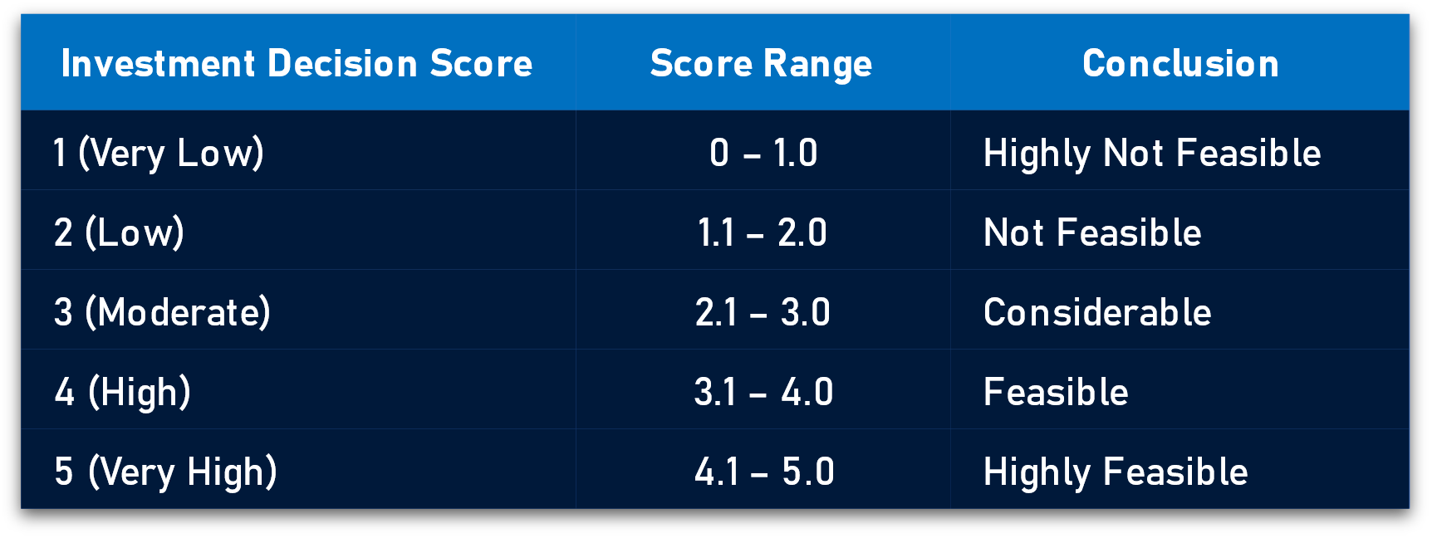

Safety Scale Criteria

Datasumsi
INVESTMENT | STUDI KASUS XX
Dashboard
Assumption

FINANCIAL ASPECT

NO | URAIAN |  |  | NILAI
1 | Harga 1 unit MTT |  |  | 40,000,000,000.00
2 | Jumlah Unit (Invest) |  |  | 1
3 | Kapasitas produksi M per jam |  |  | 1,600.00
4 | Jam kerja efektif M per hari |  |  | 2.60
5 | Hari kerja efektif M per tahun |  |  | 280.00
6 | Kapasitas produksi M per tahun |  |  | 1,219,500.00
7 | Biaya pemecokan dg M |  |  | 9,464.81
8 | Harga 1 unit H |  |  | 310,000,000.00
9 | Kapasitas produksi H per jam |  |  | 10.00
10 | Jam kerja efektif H per hari |  |  | 6.00
11 | Hari kerja efektif H per tahun |  |  | 288.00
12 | Kapasitas produksi H per tahun |  |  | 18,280.00
13 | Biaya pemecokan dg H |  |  | 14,326.85
14 | Lifetime of the investment |  |  | 15
15 | Nilai sisa |  |  | 10%
16 | Inflasi per tahun |  |  | 3.50%
17 | Pajak badan per tahun |  |  | 25%
18 | WACC Corporate |  |  | 9.35%
19 | Kebutuhan TH.2019 |  |  | 9,841,468
20 | Penurunan kapasitas produksi setelah 10 tahun sebesar |  |  | 1%
21 | Kenaikan kebutuhan per tahun |  |  | 1%

SAFETY ASPECT

No | Kriteria | Pernyataan | Panelis 1 | Panelis 2 | Panelis 3 | Panelis 4 | Panelis 5 | Panelis 6 | Panelis 7 | Panelis 8 | Panelis 9 | Panelis 10
1 | Policy | 1 | 5 | 5 | 5 | 4 | 4 | 4 | 3 | 5 | 4 | 3
2 |  | 2 | 5 | 2 | 3 | 3 | 5 | 5 | 3 | 4 | 5 | 4
3 |  | 3 | 4 | 5 | 5 | 5 | 4 | 4 | 4 | 5 | 1 | 3
4 |  | 4 | 5 | 2 | 3 | 3 | 3 | 3 | 1 | 4 | 4 | 3
5 |  | 5 | 5 | 1 | 4 | 4 | 4 | 5 | 5 | 5 | 4 | 2
6 | Plan | 1 | 5 | 3 | 5 | 4 | 4 | 5 | 5 | 5 | 5 | 5
7 |  | 2 | 5 | 4 | 5 | 5 | 5 | 5 | 5 | 4 | 5 | 5
8 |  | 3 | 3 | 3 | 5 | 4 | 2 | 5 | 3 | 4 | 1 | 5
9 |  | 4 | 3 | 3 | 3 | 3 | 5 | 3 | 3 | 3 | 5 | 3
10 |  | 5 | 3 | 3 | 3 | 2 | 4 | 4 | 2 | 5 | 5 | 5
11 | Do | 1 | 5 | 5 | 5 | 3 | 3 | 3 | 5 | 5 | 3 | 5
12 |  | 2 | 5 | 5 | 4 | 5 | 5 | 5 | 5 | 5 | 4 | 5
13 |  | 3 | 5 | 5 | 5 | 5 | 5 | 5 | 5 | 5 | 3 | 5
14 |  | 4 | 5 | 5 | 3 | 3 | 5 | 5 | 4 | 5 | 5 | 5
15 |  | 5 | 5 | 5 | 5 | 5 | 1 | 5 | 5 | 5 | 5 | 5
16 | Check | 1 | 1 | 5 | 5 | 4 | 3 | 2 | 5 | 5 | 3 | 5
17 |  | 2 | 5 | 5 | 3 | 3 | 3 | 2 | 5 | 5 | 4 | 5
18 |  | 3 | 5 | 5 | 5 | 5 | 5 | 5 | 5 | 5 | 3 | 5
19 |  | 4 | 5 | 5 | 3 | 5 | 5 | 5 | 4 | 5 | 5 | 5
20 |  | 5 | 5 | 5 | 5 | 5 | 5 | 5 | 5 | 5 | 5 | 5
21 | Action | 1 | 5 | 5 | 5 | 4 | 3 | 2 | 5 | 2 | 4 | 4
22 |  | 2 | 3 | 4 | 3 | 3 | 3 | 2 | 3 | 4 | 5 | 4
23 |  | 3 | 2 | 3 | 1 | 1 | 2 | 2 | 3 | 4 | 5 | 3
24 |  | 4 | 1 | 2 | 3 | 3 | 3 | 3 | 4 | 4 | 4 | 2
25 |  | 5 | 1 | 1 | 4 | 4 | 4 | 4 | 5 | 5 | 4 | 4

PivotTable
INVESTMENT | STUDI KASUS XX
Dashboard
Assumption

Row Labels | Average of Cost of Capital | Average of Initial Investment | Average of Salvage Value | Sum of Revenue | Sum of OPEX | Average of Inflasi | Average of Tax rate on net income | Average of Life Time Investment | Average of Jumlah Skor | Average of Hasil Safety | Average of Hasil Financial | Financial | 2.1 | OPEX | 220.07403992 | Average of Hasil NPV | Average of Hasil IRR | Average of Hasil PP | Average of Hasil PI | Average of Hasil BCR | Values |  | Values |  | Row Labels | Net Cash Flow | Accumulated Net Cashflow | Row Labels | Row Labels
INVESTMENT | STUDI KASUS XX | 9.35% | Rp40.00 | Rp4.00 | Rp333.13 | Rp220.07 | 3.50% | 25% | 15 | 4.2 | 2.1 | 2.1 | Safety | 2.1 | Revenue | 333.12532538 | Rp15.10 | 14.64% | 7 | 1.38 | 151.37% | NPV | 0.6 | Policy | 0.48 | 2024 | -40 | -40 | High | Very High
VERY FEASIBLE |  |  |  |  |  |  |  |  |  |  |  |  |  |  |  |  |  |  |  |  | IRR | 0.6 | Plan | 0.48 | 2025 | 5.5992725083 | -34.400727492 | High | Grand Total
INVESTMENT IS FEASIBLE, IRR > 9.35% |  |  |  |  |  |  |  |  |  |  |  |  |  |  |  |  |  |  |  |  | PP | 0.24 | Do | 0.5 | 2026 | 5.7873930461 | -28.613334446 | Very High
Proyek investasi tersebut Layak secara Aspek Finansial |  |  |  |  |  |  |  |  |  |  |  |  |  |  |  |  |  |  |  |  | PI | 0.16 | Check | 0.4 | 2027 | 5.9820978027 | -22.631236643 | Very High
Grand Total |  |  |  |  |  |  |  |  |  |  |  |  |  |  |  |  |  |  |  |  | BCR | 0.5 | Action | 0.24 | 2028 | 6.1836172258 | -16.447619417 | Moderate
 |  |  |  |  |  |  |  |  |  |  |  |  |  |  |  |  |  |  |  |  |  |  |  |  | 2029 | 6.3921898287 | -10.055429588 | Grand Total
 |  |  |  |  |  |  |  |  |  |  |  |  |  |  |  |  |  |  |  |  |  |  |  |  | 2030 | 6.6080624727 | -3.4473671155
README!
To refresh the database in the PivotTable sheet, click on any row within a table in this sheet. This will make the PivotTable Analyze tab appear in the toolbar.
Then go to: PivotTable Analyze > Refresh (Data) > Refresh All
If you want to modify the calculations, open Calc in the Hide sheet.
 |  |  |  |  |  |  |  |  |  |  |  |  |  |  |  |  |  |  |  |  |  |  |  |  | 2031 | 6.8314906593 | 3.3841235438
 |  |  |  |  |  |  |  |  |  |  |  |  |  |  |  |  |  |  |  |  |  |  |  |  | 2032 | 7.0627388324 | 10.446862376
 |  |  |  |  |  |  |  |  |  |  |  |  |  |  |  |  |  |  |  |  |  |  |  |  | 2033 | 7.3020806915 | 17.748943068
 |  |  |  |  |  |  |  |  |  |  |  |  |  |  |  |  |  |  |  |  |  |  |  |  | 2034 | 7.5497995157 | 25.298742583
 |  |  |  |  |  |  |  |  |  |  |  |  |  |  |  |  |  |  |  |  |  |  |  |  | 2035 | 7.7303706138 | 33.029113197
 |  |  |  |  |  |  |  |  |  |  |  |  |  |  |  |  |  |  |  |  |  |  |  |  | 2036 | 7.9153927894 | 40.944505987
 |  |  |  |  |  |  |  |  |  |  |  |  |  |  |  |  |  |  |  |  |  |  |  |  | 2037 | 8.1049757617 | 49.049481748
 |  |  |  |  |  |  |  |  |  |  |  |  |  |  |  |  |  |  |  |  |  |  |  |  | 2038 | 8.2992319542 | 57.348713702
 |  |  |  |  |  |  |  |  |  |  |  |  |  |  |  |  |  |  |  |  |  |  |  |  | 2039 | 16.498276562 | 73.846990264
 |  |  |  |  |  |  |  |  |  |  |  |  |  |  |  |  |  |  |  |  |  |  |  |  | Grand Total | 73.846990264 | 155.50176177

Calc
INVESTMENT | STUDI KASUS XX

INITIAL INVESTMENT |  |  |  |  | CASHFLOW DETAILS |  |  |  | DISCOUNT RATE
Initial Investment (Rp Milyar) |  | 1 | 40.000 |  |  |  |  |  | Approach (1:Direct;2:CAPM)
Opportunity cost (if any) |  |  | - |  | expenses |  | - |  | 1. Discount rate
Lifetime of the investment |  |  | 15 |  |  |  | - |  | 2a. Beta
Salvage Value at end of project |  |  | 4.00 |  | Tax rate on net income |  | 25% |  | b. Riskless rate
Deprec. Method (1:St.line;2:DDB) |  |  | 1 |  |  |  |  |  | c. Market risk premium
Tax Credit (if any ) |  |  | 0% |  |  |  |  |  | d. Debt Ratio
Other invest.(non-depreciable) |  |  | 0 |  |  |  |  |  | e. Cost of Borrowing
 |  |  |  |  |  |  |  |  | Discount rate used |  | 9.35%
WORKING CAPITAL |  |  |  |  |  |  |  |  | WACC korporat
Initial Investment in Work. Cap |  |  | -
Working Capital as % of Rev |  |  | 0%
Salvageable fraction at end |  |  | 0%

GROWTH RATES
 |  | 1 | 2 | 3 | 4 | 5 | 6 | 7 | 8 | 9 | 10 | 11 | 12 | 13 | 14 | 15
Cost Savings |  |  | 0% | 0% | 0% | 0% | 0% | 0% | 0% | 0% | 0% | 0% | 0% | 0% | 0% | 0%

YEAR
 |  | 1 | 2 | 3 | 4 | 5 | 6 | 7 | 8 | 9 | 10 | 11 | 12 | 13 | 14 | 15

INITIAL INVESTMENT
Investment |  | 40.00
- Tax Credit |  | -
Net Investment |  | 40.00
+ Working Cap |  | -
+ Opp. Cost |  | -
Initial Investment |  | 40.00

SALVAGE VALUE
Equipment |  | - | - | - | - | - | - | - | - | - | - | - | - | - | - | 4
Working Capital |  | - | - | - | - | - | - | - | - | - | - | - | - | - | - | -

OPERATING CASHFLOWS
Year | 2024 | 2025 | 2026 | 2027 | 2028 | 2029 | 2030 | 2031 | 2032 | 2033 | 2034 | 2035 | 2036 | 2037 | 2038 | 2039
Lifetime Index |  | 1 | 1 | 1 | 1 | 1 | 1 | 1 | 1 | 1 | 1 | 1 | 1 | 1 | 1 | 1

KEBUTUHAN PEMECOKAN
Tahun |  | 2025 | 2026 | 2027 | 2028 | 2029 | 2030 | 2031 | 2032 | 2033 | 2034 | 2035 | 2036 | 2037 | 2038 | 2039
Kebutuhan pemecokan per tahun (M'Sp) |  | 9,841,467.93 | 9,841,467.93 | 9,841,467.93 | 9,841,467.93 | 9,841,467.93 | 9,939,882.61 | 9,939,882.61 | 9,939,882.61 | 9,939,882.61 | 9,939,882.61 | 9,939,882.61 | 10,039,281.44 | 10,039,281.44 | 10,039,281.44 | 10,039,281.44
Kenaikan kebutuhan pemecokan per tahun (M'Sp) |  | 0% | 0.0% | 0.0% | 0.0% | 0.0% | 1.0% | 0.0% | 0.0% | 0.0% | 0.0% | 0.0% | 1.0% | 0.0% | 0.0% | 0.0%
 |  | 8,621,967.93
BIAYA PEMECOKAN DENGAN MTT
Tahun |  | 2025 | 2026 | 2027 | 2028 | 2029 | 2030 | 2031 | 2032 | 2033 | 2034 | 2035 | 2036 | 2037 | 2038 | 2039
Kapasitas produksi 1 unit MTT baru per tahun (M'Sp) |  | 1,219,500.00 | 1,219,500.00 | 1,219,500.00 | 1,219,500.00 | 1,219,500.00 | 1,219,500.00 | 1,219,500.00 | 1,219,500.00 | 1,219,500.00 | 1,219,500.00 | 1,207,305.00 | 1,195,231.95 | 1,183,279.63 | 1,171,446.83 | 1,159,732.37
Penurunan kapasitas produksi mesin (%) |  |  | 0% | 0% | 0% | 0% | 0% | 0% | 0% | 0% | 0% | 1% | 1% | 1% | 1% | 1%
Kapasitas produksi 7 unit MTT baru per tahun (M'Sp) | 1 | 1,219,500.00 | 1,219,500.00 | 1,219,500.00 | 1,219,500.00 | 1,219,500.00 | 1,219,500.00 | 1,219,500.00 | 1,219,500.00 | 1,219,500.00 | 1,219,500.00 | 1,207,305.00 | 1,195,231.95 | 1,183,279.63 | 1,171,446.83 | 1,159,732.37

Beban pemecokan (M'Sp) |  | 1,219,500.00 | 1,219,500.00 | 1,219,500.00 | 1,219,500.00 | 1,219,500.00 | 1,219,500.00 | 1,219,500.00 | 1,219,500.00 | 1,219,500.00 | 1,219,500.00 | 1,207,305.00 | 1,195,231.95 | 1,183,279.63 | 1,171,446.83 | 1,159,732.37
Biaya pekerjaan pemecokan per m'sp (Rp) |  | 9,464.81 | 9,796.08 | 10,138.94 | 10,493.80 | 10,861.09 | 11,241.22 | 11,634.67 | 12,041.88 | 12,463.35 | 12,899.56 | 13,351.05 | 13,818.33 | 14,301.98 | 14,802.55 | 15,320.63
Kenaikan biaya pemecokan per tahun (%) |  |  | 3.50% | 3.50% | 3.50% | 3.50% | 3.50% | 3.50% | 3.50% | 3.50% | 3.50% | 3.50% | 3.50% | 3.50% | 3.50% | 3.50%
Biaya pekerjaan pemecokan per tahun (Milyar Rp) |  | 11.54 | 11.95 | 12.36 | 12.80 | 13.25 | 13.71 | 14.19 | 14.69 | 15.20 | 15.73 | 16.12 | 16.52 | 16.92 | 17.34 | 17.77 | 220.07
Present Value Cost |  | 11 | 10 | 9 | 9 | 8 | 8 | 8 | 7 | 7 | 6 | 6 | 6 | 5 | 5 | 5
BIAYA PEMECOKAN DENGAN HTT
Biaya pekerjaan pemecokan per M'Sp (Rp) |  | 14,326.85 | 14,828.29 | 15,347.28 | 15,884.43 | 16,440.39 | 17,015.80 | 17,611.36 | 18,227.75 | 18,865.72 | 19,526.03 | 20,209.44 | 20,916.77 | 21,648.85 | 22,406.56 | 23,190.79
Kenaikan biaya pemecokan (%) |  | - | 3.50% | 3.50% | 3.50% | 3.50% | 3.50% | 3.50% | 3.50% | 3.50% | 3.50% | 3.50% | 3.50% | 3.50% | 3.50% | 3.50%
Biaya pekerjaan pemecokan per tahun (Milyar Rp) |  | 17.47 | 18.08 | 18.72 | 19.37 | 20.05 | 20.75 | 21.48 | 22.23 | 23.01 | 23.81 | 24.40 | 25.00 | 25.62 | 26.25 | 26.90 | 333.13
Present Value Benefit |  | 15.98 | 15.12 | 14.31 | 13.55 | 12.82 | 12.14 | 11.49 | 10.87 | 10.29 | 9.74 | 9.13 | 8.55 | 8.01 | 7.51 | 7.04

Cost Savings |  | 5.93 | 6.14 | 6.35 | 6.57 | 6.80 | 7.04 | 7.29 | 7.54 | 7.81 | 8.08 | 8.28 | 8.48 | 8.69 | 8.91 | 9.13

EBITDA |  | 5.93 | 6.14 | 6.35 | 6.57 | 6.80 | 7.04 | 7.29 | 7.54 | 7.81 | 8.08 | 8.28 | 8.48 | 8.69 | 8.91 | 9.13
Depreciation |  | 2.40 | 2.40 | 2.40 | 2.40 | 2.40 | 2.40 | 2.40 | 2.40 | 2.40 | 2.40 | 2.40 | 2.40 | 2.40 | 2.40 | 2.40
EBIT |  | 3.53 | 3.74 | 3.95 | 4.17 | 4.40 | 4.64 | 4.89 | 5.14 | 5.41 | 5.68 | 5.88 | 6.08 | 6.29 | 6.51 | 6.73
Tax |  | 0.33 | 0.35 | 0.37 | 0.39 | 0.41 | 0.43 | 0.46 | 0.48 | 0.51 | 0.53 | 0.55 | 0.57 | 0.59 | 0.61 | 0.63
EBIT(1-t) |  | 3.20 | 3.39 | 3.58 | 3.78 | 3.99 | 4.21 | 4.43 | 4.66 | 4.90 | 5.15 | 5.33 | 5.52 | 5.70 | 5.90 | 6.10
+ Depreciation |  | 2.40 | 2.40 | 2.40 | 2.40 | 2.40 | 2.40 | 2.40 | 2.40 | 2.40 | 2.40 | 2.40 | 2.40 | 2.40 | 2.40 | 2.40
- ∂ Work. Cap |  | - | - | - | - | - | - | - | - | - | - | - | - | - | - | -
After-tax NCF | (40.00) | 5.60 | 5.79 | 5.98 | 6.18 | 6.39 | 6.61 | 6.83 | 7.06 | 7.30 | 7.55 | 7.73 | 7.92 | 8.10 | 8.30 | 16.50 | 113.85
Accumulated NCF | (40.00) | (34.40) | (28.61) | (22.63) | (16.45) | (10.06) | (3.45) | 3.38 | 10.45 | 17.75 | 25.30 | 33.03 | 40.94 | 49.05 | 57.35 | 73.85 | 195.50

 |  | Investment Measures
 |  | NPV = | 15.10 | Milyar Rp
 |  | IRR = | 14.64% | ===> | INVESTASI LAYAK ; IRR > 9,35%
 |  | PP= | 7.00 |  | INVESTMENT IS FEASIBLE, IRR > 9.35%
 |  | ROI= | 0.20 |  | Proyek investasi tersebut Layak secara Aspek Finansial
 |  | PI= | 1.38
 |  | BCR= | 151.37%

BOOK VALUE & DEPRECIATION
Book Value (beginning) |  | 40.00 | 37.60 | 35.20 | 32.80 | 30.40 | 28.00 | 25.60 | 23.20 | 20.80 | 18.40 | 16.00 | 13.60 | 11.20 | 8.80 | 6.40
Depreciation |  | 2.40 | 2.40 | 2.40 | 2.40 | 2.40 | 2.40 | 2.40 | 2.40 | 2.40 | 2.40 | 2.40 | 2.40 | 2.40 | 2.40 | 2.40 | 36.00
BV (ending) |  | 37.60 | 35.20 | 32.80 | 30.40 | 28.00 | 25.60 | 23.20 | 20.80 | 18.40 | 16.00 | 13.60 | 11.20 | 8.80 | 6.40 | 4.00 | 4.00

 |  | INVESTASI | IRR |  | Biop MTT | IRR
 |  | 56.50 | 10.45% |  | 8,464.81 | 10.45%
 |  | 58.29 | 9.35% |  | 8,837.26 | 9.35%
 |  | 62.15 | 7.12% |  | 9,311.29 | 7.91%
SENSITIFITAS IRR TERHADAP HARGA MTT
 | INVESTASI IRR
56.496101415 | 0.10445836547
58.28702783 | 0.093533789974
62.145711556 | 0.071186347329
SENSITIFITAS IRR TERHADAP BIOP MTT
 | Biop MTT IRR
8464.8092378 | 0.10445836547
8837.2608443 | 0.093488716995
9311.2901616 | 0.079063688561

ANALISIS KELAYAKAN KESELAMATAN | INVESTASI PENGADAAN 7 UNIT MTT 09-32

Kriteria | Pernyataan | Panelis 1 | Panelis 2 | Panelis 3 | Panelis 4 | Panelis 5 | Panelis 6 | Panelis 7 | Panelis 8 | Panelis 9 | Panelis 10 | Median | Kategori | Keterangan
Policy | 1 | 5 | 5 | 5 | 4 | 4 | 4 | 3 | 5 | 4 | 3 |  |  | Kebijakan keselamatan terdokumentasi dan diterapkan dengan baik
 | 2 | 5 | 2 | 3 | 3 | 5 | 5 | 3 | 4 | 5 | 4
 | 3 | 4 | 5 | 5 | 5 | 4 | 4 | 4 | 5 | 1 | 3 | 4 | High
 | 4 | 5 | 2 | 3 | 3 | 3 | 3 | 1 | 4 | 4 | 3
 | 5 | 5 | 1 | 4 | 4 | 4 | 5 | 5 | 5 | 4 | 2
Plan | 1 | 5 | 3 | 5 | 4 | 4 | 5 | 5 | 5 | 5 | 5 |  |  | Kebijakan keselamatan terdokumentasi dan diterapkan dengan baik
 | 2 | 5 | 4 | 5 | 5 | 5 | 5 | 5 | 4 | 5 | 5
 | 3 | 3 | 3 | 5 | 4 | 2 | 5 | 3 | 4 | 1 | 5 | 4 | High
 | 4 | 3 | 3 | 3 | 3 | 5 | 3 | 3 | 3 | 5 | 3
 | 5 | 3 | 3 | 3 | 2 | 4 | 4 | 2 | 5 | 5 | 5
Do | 1 | 5 | 5 | 5 | 3 | 3 | 3 | 5 | 5 | 3 | 5 |  |  | Kebijakan keselamatan terdokumentasi, diterapkan, dan secara rutin ditinjau serta diperbarui
 | 2 | 5 | 5 | 4 | 5 | 5 | 5 | 5 | 5 | 4 | 5
 | 3 | 5 | 5 | 5 | 5 | 5 | 5 | 5 | 5 | 3 | 5 | 5 | Very High
 | 4 | 5 | 5 | 3 | 3 | 5 | 5 | 4 | 5 | 5 | 5
 | 5 | 5 | 5 | 5 | 5 | 1 | 5 | 5 | 5 | 5 | 5
Check | 1 | 1 | 5 | 5 | 4 | 3 | 2 | 5 | 5 | 3 | 5 |  |  | Kebijakan keselamatan terdokumentasi, diterapkan, dan secara rutin ditinjau serta diperbarui
 | 2 | 5 | 5 | 3 | 3 | 3 | 2 | 5 | 5 | 4 | 5
 | 3 | 5 | 5 | 5 | 5 | 5 | 5 | 5 | 5 | 3 | 5 | 5 | Very High
 | 4 | 5 | 5 | 3 | 5 | 5 | 5 | 4 | 5 | 5 | 5
 | 5 | 5 | 5 | 5 | 5 | 5 | 5 | 5 | 5 | 5 | 5
Action | 1 | 5 | 5 | 5 | 4 | 3 | 2 | 5 | 2 | 4 | 4 |  |  | Kebijakan keselamatan terdokumentasi tetapi tidak sepenuhnya diterapkan
 | 2 | 3 | 4 | 3 | 3 | 3 | 2 | 3 | 4 | 5 | 4
 | 3 | 2 | 3 | 1 | 1 | 2 | 2 | 3 | 4 | 5 | 3 | 3 | Moderate
 | 4 | 1 | 2 | 3 | 3 | 3 | 3 | 4 | 4 | 4 | 2
 | 5 | 1 | 1 | 4 | 4 | 4 | 4 | 5 | 5 | 4 | 4

KRITERIA KELAYAKAN INVESTASI

BIDANG | Kriteria | Bobot | Fungsi SK1 | Hasil SK1 | Sum
FINANCIAL | NPV | 12% | 5 | 0.6 | 2.1
FINANCIAL | IRR | 12% | 5 | 0.6
FINANCIAL | PP | 8% | 3 | 0.24
FINANCIAL | PI | 8% | 2 | 0.16
FINANCIAL | BCR | 10% | 5 | 0.5
SAFETY | Policy | 12% | 4 | 0.48 | 2.1
SAFETY | Plan | 12% | 4 | 0.48
SAFETY | Do | 10% | 5 | 0.5
SAFETY | Check | 8% | 5 | 0.4
SAFETY | Action | 8% | 3 | 0.24
Total Nilai Keputusan Investasi |  | 100% |  |  | 4.2
Hasil Keputusan Investasi |  |  |  | Very High | VERY FEASIBLE

